Submission
Visium submission form, GECF, vA.01 |  |  |  |  |  |  |  |  |  |  |  | For GECF, do not use.

Planned slide submission date:
User name
Lab PI
Billing to (PI)
Similar to a previous experiment? |  | If relevant, please indicate the date of the previous experiment
Visium method |  | Cytassist recommended, but available only for human and mouse samples. For other species, a non-Cytassist Visium must be performed.
Capture Area (mm) |  | Caution: 11mm areas are significantly more expensive
Nb sections submitted |  | A Visium Cytassist slide holds 2 sections. A Visium non-Cytassist slide holds 4 sections. A Visium optimization slide holds 7 sections.
Do you need to detect a transgene? |  | Cytassist probe set is predefined. If you need to detect a transgene, custom probes must be designed for Cytassist, or a non-Cytassist method must be used.
Histo processing and imaging done by HCF? |  | Strongly recommended.
Microscope for Imaging |  | Make sure it matches 10XG specifications. If HCF: Olympus VS120 whole slide scanner
Any significant deviations from the 10x Genomics protocols? |  | User needs to inform GECF and a discussion will be needed to determine whether proceeding is possible.
Was tissue healthy (not too much death/suffering)?
Embedding/storage done according to guidelines? |  | 10XG Protocol: CG000240 for non-Cytassist Fresh Frozen, CG000636 for Cytassist Fresh Frozen, CG000518 for Cytassist FFPE, CG000663 for Cytassist Fixed Frozen.
Was thickness to be used discussed/optimized?
Comments

For VISIUM FRESH FROZEN NON-CYTASSIST only

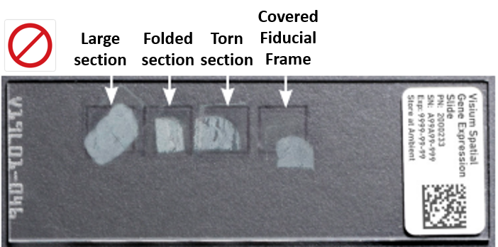
INCORRECT SECTIONS
Tissue optimization previously performed on this type of tissue? |  | It is strongly recommended to perform a “Visium optimization” slide before beginning with the real experiments, specially for new tissue types
Desired permeabilization time?
Comments

FOR VISIUM NON-CYTASSIST -> IF SECTIONS ARE INCORRECTLY PLACED ON VISIUM SLIDE OR QUALITY IS POOR (folds, breaks, etc...) -> we can do a SLIDE RESET prior to tissue permeabilization. --> If you need to reset a slide, inform GECF as soon as possible.

Date tissue deposition on slide | Official sample name for sequencing (only _ and – allowed, avoid "S1", "S2", as already used by sequencers) | Tissue type | Species | Bsl2 level? | Quality of the tissue before fixation/snap freezing | Block generation method | Staining (H&E or IF)? | DV200 RNA % (for FFPE, FXFr) | RIN? For Fresh-Frozen | Section thickness (um) - 3-10 um for FFPE - 10-20 um for FrFr and FXFr (Tissues with higher fat content (e.g., breast tissue) may require sections closer to 20 µm) | Comments | For GECF, do not use.

Release notes
vA.01 First release

