Calculator
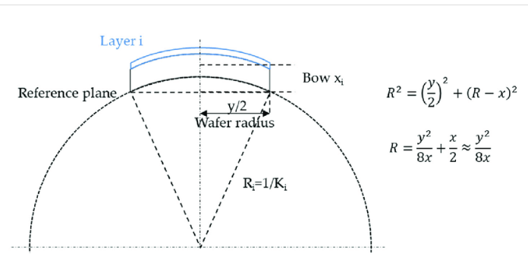

Radius Calculator
Bow | [um] | 30
Wafer Diam [m] |  | 0.1
Curvature Radius [m] |  | 41.67

Stress Calculator
Elastic Modulus [GPa] |  | E = | 188
Poisson Ratio [-] |  | V = | 0.3
Thickness Substrate [um] |  | h = | 500
Thickness film [nm] |  | t = | 500
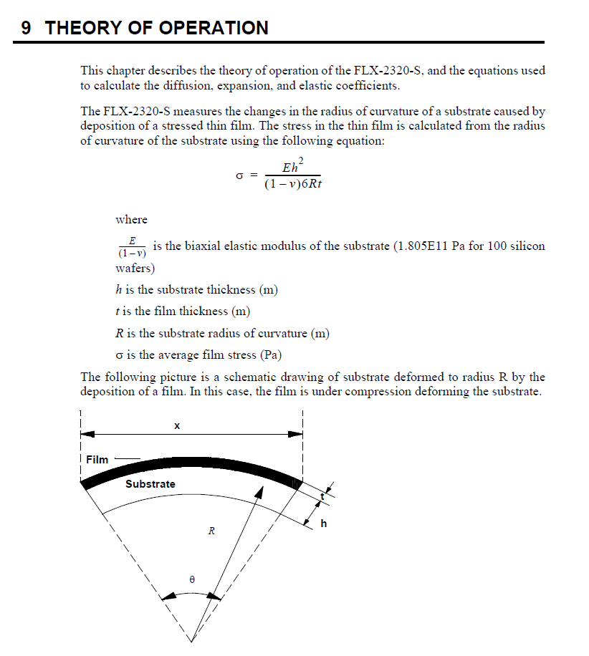
Radius before [m] |  | R1 = | 19.23
Radius after [m] |  | R2 = | 10
Stress | [MPa] | σ = | -1074.24
 |  |  | Tensile

Thin Film thickness calculator
Elastic Modulus [GPa] |  | E = | 408
Poisson Ratio [-] |  | V = | 0.3
Thickness Substrate [um] |  | h = | 650
Stress | [MPa] | σ = | -340
Radius before [m] |  | R1 = | 19.23
Radius after [m] |  | R2 = | 10
Film Thickness [nm] | [nm] | t = | 5794

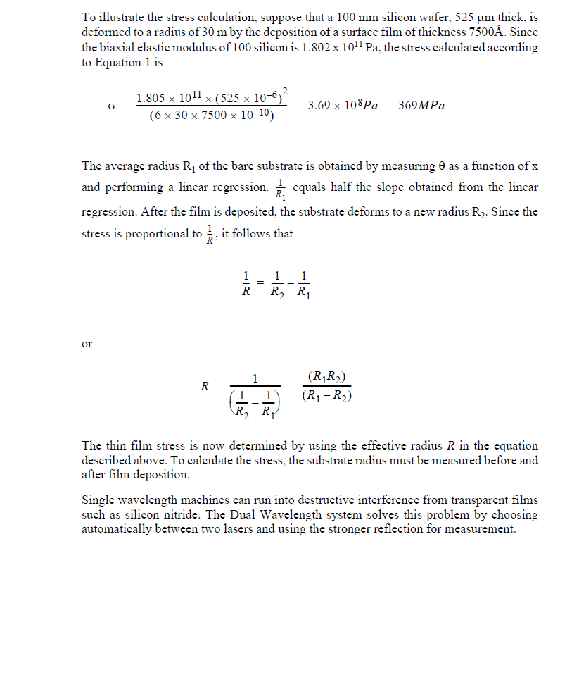

Toho Elastic Modulus
