Spin graph
 |  |  | Home

Typical spin graph for SU8 coating

 | x | y
 | 0 | 0
 | 5 | 500
5 | 10 | 500
15 | 25 | 2000
40 | 65 | 2000
1 | 66 | 3000
1 | 67 | 2000
5 | 72 | 2000
20 | 92 | 0

Main coating step setting the thickness of layer

Ramp down
to zero

Ramp up to desired RPM

Results Su8 3005
MCC 3005 |  |  |  | Home
Spin speed [rpm] | Film Thickness [um] |  | Film Thickness [um] | Typical exposure dose [mJ/cm2] | Softbake Time | PEB Time | Dev time
1000 | 10 |  | 10 | 200 | 3 | 2 | 3
2000 | 7.5 |  | 4 | 100 | 2 | 1 | 1
3000 | 6
4000 | 5
5000 | 4.5

 | Target thickness [um] | Spin speed [rpm] | Exposure dose [mJ/cm2] | Softbake time [min] | PEB time [min] | Dev time [min]
Zone 13 | 110 | 9 | 1870 | 19.67 | 18.6703 | 36.297

Results Su8 3010
MCC 3010 |  |  |  | Home
Spin speed [rpm] | Film Thickness [um] |  | Film Thickness [um] | Typical exposure dose [mJ/cm2] | Softbake Time | PEB Time | Dev time
1000 | 18.5 |  | 15 | 200 | 10 | 4 | 6
2000 | 13 |  | 8 | 125 | 5 | 2 | 4
3000 | 10.7
4000 | 9.5
5000 | 8.7

 | Target thickness [um] | Spin speed [rpm] | Exposure dose [mJ/cm2] | Softbake time [min] | PEB time [min] | Dev time [min]
Zone 13 | 110 | 22 | 1062 | 77.826 | 31.1413 | 33.1415

Results Su8 3025
MCC 3025 |  |  |  | Home
Spin speed [rpm] | Film Thickness [um] |  | Film Thickness [um] | Typical exposure dose [mJ/cm2] | Softbake Time | PEB Time | Dev time
1000 | 68 |  | 50 | 250 | 15 | 5 | 8
2000 | 39 |  | 20 | 150 | 10 | 3 | 5
3000 | 27
4000 | 20
5000 | 17

 | Target thickness [um] | Spin speed [rpm] | Exposure dose [mJ/cm2] | Softbake time [min] | PEB time [min] | Dev time [min]
Zone 13 | 110 | 589 | 530 | 25.004 | 9.004 | 14

Results Su8 3035
MCC 3035 |  |  |  | Home
Spin speed [rpm] | Film Thickness [um] |  | Film Thickness [um] | Typical exposure dose [mJ/cm2] | Softbake Time | PEB Time | Dev time
1000 | 87.5 |  | 80 | 250 | 30 | 5 | 12
2000 | 50 |  | 30 | 150 | 10 | 3 | 6
3000 | 33.5
4000 | 25
5000 | 21

 | Target thickness [um] | Spin speed [rpm] | Exposure dose [mJ/cm2] | Softbake time [min] | PEB time [min] | Dev time [min]
Zone 13 | 110 | 794 | 310 | 42 | 6.2 | 15.6

Results Su8 3050
MCC 3050 |  |  |  | Home
Spin speed [rpm] | Film Thickness [um] |  | Film Thickness [um] | Typical exposure dose [mJ/cm2] | Softbake Time | PEB Time | Dev time
1000 | 115 |  | 100 | 250 | 45 | 5 | 15
2000 | 67.5 |  | 40 | 150 | 15 | 3 | 7
3000 | 47.5
4000 | 34
5000 | 29

 | Target thickness [um] | Spin speed [rpm] | Exposure dose [mJ/cm2] | Softbake time [min] | PEB time [min] | Dev time [min]
Zone 13 | 110 | 1093 | 421 | 50 | 5.33 | 16.33

Troubleshoot
 | Note: This guide assumes the following - Gerseltec GM 10xx series SU8 is used - New, clean substrates are used - Surface preparation, coating and softbake were done according to process flow - Relaxation was applied before softbake - Exposed in soft contact mode - PEB was done according to process flow, with cleanroom paper under substrate - Relaxation was applied before development - Developed in two separate PGMEA baths, substrate upside down, no agitation - Rinsed with IPA, and dried with a nitrogen gun | Note: General model for troubleshooting SU8, a negative photosensitive material, consists of long polymer chains, which can be broken down to smaller pieces. This is done by exposure to UV light or e-beam. The post-exposure bake (PEB) step densifies the broken chains, making it more resistant to development. The exposed material remains, and the unexposed is washed away by the developer. The combination of the exposure and the PEB will determine the rate of polymerization, achievable resolution, aspect ratio, and the quality of the film. The exposure dose is recommended to calibrate first, followed by the PEB temperature. The development duration should always be minimized. Two separate baths allow proper rinsing, useful for thick layers. Development upside down allows significantly faster development rates.

Type | Description | Solution | Example
Overdevelopment | A brighter than normal, white lining can be seen close to structure edges. This happens as the development time is longer than necessary, and the PGMEA gently undercuts the material. | 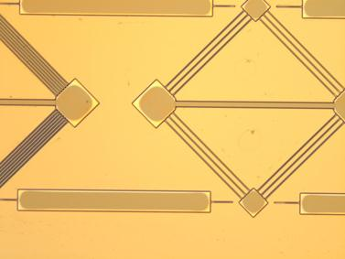 Decrease development time.
Underexposure | A wide, significant amount of undercut appears at every edge, independent of layout. This happens due to insufficient polymerization close to the substrate surface, and the developer washes out the partially exposed material at a higher rate. | Increase exposure dose. Note that increasing the PEB temperature does not solve this problem. | 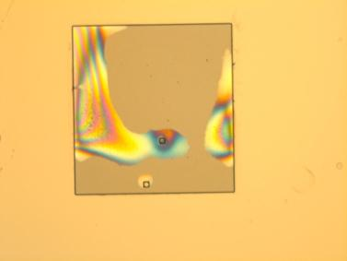
Overexposure | In high aspect ratio openings within the material, bridging or remaining material appears close to the substrate surface. Instead of parallel sidewalls, a U shape cross-section is seen. Corners are more rounded than expected, filled with residues. | Decrease exposure dose. Develop with sonic agitation option. Note: to achieve high aspect ratio, the optimal dose is generally less than what is sufficient to avoid cracks in large areas of material. | 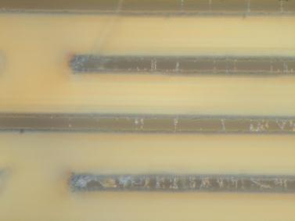
Cracks (insufficient polymerization) | In large exposed areas of SU8, random cracks appear within the material. This happens as the polymerization process has not reached an adequate level to create a smooth and uniform layer. | Enhance polymerization by any of the following: - Increase exposure dose (recommended) - Increase PEB temperature
Delamination (over polymerization) | Stress fringes, or complete separation from substrate is seen in certain areas of the layout. Structures floating or partially sticking to the substrate can be seen within the developer. If the polymerization of the material is excessive, the material densifies and internal stress builds up, resulting in a force enough for separation from the substrate. | Decrease polymerization by any of the following: - Decrease exposure dose (recommended) - Decrease PEB temperature

