Spin graph
 |  |  | Home

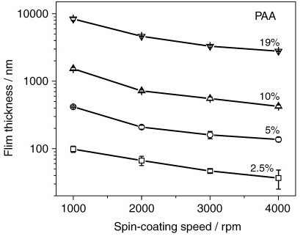
 |  |  |  | Reference for the film thickness
 | x | y
 | 0 | 0
 | 5 | 500
5 | 10 | 500
15 | 25 | 2000
40 | 65 | 2000
1 | 66 | 3000
1 | 67
5 | 72
20 | 92

