EXAMPLE COMPLETED FORM
EML Sample Analysis Request

 | Please Complete All Blue Boxes
 | Requestor: |  | Matthe Reeves
 | Request Date: |  | May 15, 2020
 | Contact Information (2 people): | EMAIL and PHONE | Rizlan Bernier-Latmani rizlan.bernier-latmani@epfl.ch +41 555 555 55 55
 |  |  | Matthew Reeves matthew.reeves@epfl.ch +41 555 555 55 55
 | Experiment Name: |  | Bile Acid Transformation by Bacteria A
 | Requested Analysis / Bile Acids of Interest: | AVAILABLE BILE ACIDS FOR STUDY ARE LISTED IN THE TAB "Mouse & Human Bile Acids") | Primary and Secondary Bile Acids

 | Total Samples: |  | 36
 | Total Sample Storage Boxes: |  | 1
 | Sample Type(s): |  | SIC2, SIC4, Colon, Cecum, Gall Bladder, Liver
 | Sample Condition: | (WET / FREEZE-DRY / ETC) | All Samples are Freeze-Dried
 | Date Collected: |  | May 1, 2020
 | Additional Notes:
 | For PhD Student 1 and Collaboration Grant

 | Please Attach A Photo of Each Sample Box Submitted (ideally showing the box label and tubes inside):
 | 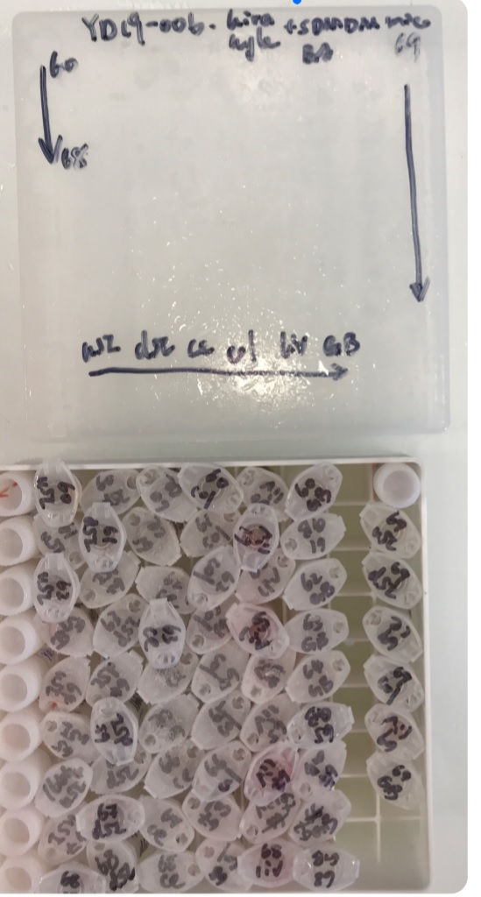 One Sample Box

SAMPLE DETAILS
** Please use one of the formats below for providing sample details - (1) Sample List, or (2) Sample Tables. (DELETE THE OTHER)
** If there are more than 30 samples, please PRIORITIZE samples (P1 - Highest, P2 - Middle, P3 - Lowest) in batches of 25 or less, and highlight P1 Samples.

# | Sample Tube Label | Mouse / Sample ID | Genotype | Hygiene | Treatment | Sample Type | Sample Condition | Pre-Weighed Mass or Volume (IF AVAILABLE) | Other Info / Priority Level
1 | 1635 USI | 1635 | ABC123 | sDMDMm2 | C.Scindens 10^7 | Upper SI | Freeze Dry | 28.3 | P1
2 | 1635 LSI | 1635 | ABC123 | sDMDMm2 | C.Scindens 10^7 | Lower SI | Freeze Dry | 12.8 | P1 - Problems Collecting
3 | 1635 CEC | 1635 | ABC123 | sDMDMm2 | C.Scindens 10^7 | Cecum | Freeze Dry | 135 | P1
4 | 1635 COL | 1635 | ABC123 | sDMDMm2 | C.Scindens 10^7 | Colon | Freeze Dry | 70.4 | P1
5 | 1635 GB | 1635 | ABC123 | sDMDMm2 | C.Scindens 10^7 | Gall Bladder | Freeze Dry | 35 | P3 - Unusual Color
… | … | … | … | … | … | … | … | … | …

OR (for your samples, please use only one and delete the other)

**Sample Table is best if sample mass is pre-weighed, tube labeling is straight-forward, all samples are in the same condition, and there are minimal "other" notes. This is perhaps a more concise format and quicker to fill-in.
** It may be advantageous to use several tables instead of one giant one. If so, go ahead and copy / paste.

 |  |  |  |  | Pre-Weighed Mass (mg) or Volume (mL)
 | Mouse / Sample ID | Genotype | Hygiene | Treatment | Upper SI | Lower SI | Cecum | Colon | Gall Bladder | Liver
 | 1635 | ABC123 | sDMDMm2 | C. Scindens 10^7 | 28.3 | 12.8 | 135.0 | 70.4 | 35.0 | 480.4
 | 1636 | ABC123 | sDMDMm2 | C. Scindens 10^7 | 30.4 | 11.4 | 135.4 | 74.0 | 38.4 | 340.0
 | 1637 | ABC123 | sDMDMm2 | C. Scindens 10^7 | 22.4 | 15.1 | 115.4 | 76.8 | 29.4 | 367.5
 | 1850 | XYZ987 | SPF | C. Scindens 10^7 | 19.8 | 8.4 | 139.4 | 82.6 | 28.4 | 344.2
 | 1851 | XYZ987 | SPF | C. Scindens 10^7 | 25.4 | 6.9 | 101.8 | 68.0 | 27.7 | 323.9
 | … | … | … | … | … | … | … | … | … | …
 | Other Info / Priority Level
 | All samples collected at 5PM after 24h fast, and freeze dried over night. Tubes labeled on the side with Mouse ID and Tissue. Highest Priority samples are Upper SI, Lower SI, Cecum, and Colon for ALL Mouse ID's.

